US24 Sprint 5
 | Test Scenarios for SimpCity
 | Test Cases Creation |  |  | System Testing (TDA) |  |  | User Acceptance Testing |  | Team
 | User Stories: | US24 - As a user, I want to be able to add my score on the leaderboard after completing the game so that I can see where I place on the leaderboard. |  | Version Control: | V1 |  | Version Control: | V1 | Scrum Master: | Megan Png
 | Created By: | Hui Ying |  | Tester: | Hui Ying |  | User: | Mr Low | Tech Lead: | Claris
 | Status: | Done |  | Status: | Done |  | Status: | Done | QA: | Hui Ying
 | Dated as of: | 14-Feb-22 |  | Test Date: | 14-Feb-22 |  | UAT Date: | 14-Feb-22 | Developer: | Amanda Chan
 | Reviwed By: |  |  | Reviwed By: |  |  | Reviwed By:
 | Tech Lead | Claris |  | Scrum Master | Megan |  | Scrum Master: | Megan
 |  |  |  | Tech Lead | Claris |  | Tech Lead: | Claris
 |  |  |  |  |  |  | QA: | Hui Ying
 |  |  |  |  |  |  | Developer: | Amanda

S/NO | Test Scenario | Test Scenario Description | Test Values | Expected Outcome | Boundary? Equivalence? | Functional? Non-Functional? | Pass/ Fail | Actual Outcome | Test Result (Pass / Fail) | Remarks
1 | The user has fninshed their 16th round of the game, the users final score attain has beat the record of one of the top 10 score recorded in the system | 1. The user has finshed their 16th round of the game, the users final score attain has beat the record of one of the top 10 score recorded in the system 2. The final layout of the game grid is displayed, along with computed score of each building used. The total score that the user attain to total up and printed. e.g. Final layout of Simp City: A B C D +-----+-----+-----+-----+ 1| SHP | SHP | HSE | HWY | +-----+-----+-----+-----+-----+ 2| BCH | HSE | HSE | BCH | +-----+-----+-----+-----+-----+ 3| BCH | SHP | HSE | HSE | +-----+-----+-----+-----+-----+ 4| HWY | HWY | HWY | HWY | +-----+-----+-----+-----+-----+ HSE: 2 + 5 + 5 + 3 + 3 = 18 FAC: 0 SHP: 2 + 2 + 3 = 7 HWY: 1 + 4 + 4 + 4 + 4 = 17 BCH: 3 + 3 + 3 = 9 Total score: 51 3. The message "Congratulations! You made the high score board at position [x]! is printed and displayed to the users 4. The message "Please enter your name (max 20 chars): " is prompted to the users | Before:The user has finished their 16th round of game
 |  |  | 1. Your Choice? 1 2. Confirm using SHP? [Y/N]: y Building confirmed 3. Build where? a2 4. Confirm using BCH on location a2? [Y/N]: 5. Position confirmed 6. The user see the building name appear in the grid location the user have verified. 1. The user has fninshed their 16th round of the game, the users final score attain has beat the record of one of the top 10 score recorded in the system 2. The final layout of the game grid is displayed, along with computed score of each building used. The total score that the user attain to total up and printed. e.g. Final layout of Simp City: A B C D +-----+-----+-----+-----+ 1| SHP | SHP | HSE | HWY | +-----+-----+-----+-----+-----+ 2| BCH | HSE | HSE | BCH | +-----+-----+-----+-----+-----+ 3| BCH | SHP | HSE | HSE | +-----+-----+-----+-----+-----+ 4| HWY | HWY | HWY | HWY | +-----+-----+-----+-----+-----+ HSE: 2 + 5 + 5 + 3 + 3 = 18 FAC: 0 SHP: 2 + 2 + 3 = 7 HWY: 1 + 4 + 4 + 4 + 4 = 17 BCH: 3 + 3 + 3 = 9 Total score: 51 3. The message "Congratulations! You made the high score board at position [x]! is printed and displayed to the users 4. The message "Please enter your name (max 20 chars): " is prompted to the users After: The user high score board is displayed to the user, the user will be able to see the username that was entered previously in the high score board and the score attained based on the position the user's position | The user high score board is displayed to the user, the user will be able to see the username that was entered previously in the high score board and the score attained based on the position the user's position | Boundary | Functional | Pass | 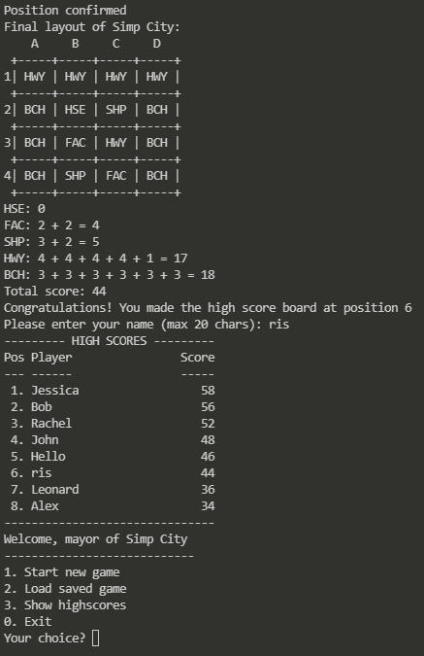 | Pass

2 | The user has fninshed their 16th round of the game, the users final score attain did not beat the record of one of the top 10 score recorded in the system | 1. The user has fninshed their 16th round of the game, the users final score attain has beat the record of one of the top 10 score recorded in the system 2. The final layout of the game grid is displayed, along with computed score of each building used. The total score that the user attain to total up and printed. e.g. Final layout of Simp City: A B C D +-----+-----+-----+-----+ 1| SHP | SHP | HSE | HWY | +-----+-----+-----+-----+-----+ 2| BCH | HSE | HSE | BCH | +-----+-----+-----+-----+-----+ 3| BCH | SHP | HSE | HSE | +-----+-----+-----+-----+-----+ 4| HWY | HWY | HWY | HWY | +-----+-----+-----+-----+-----+ HSE: 2 + 5 + 5 + 3 + 3 = 18 FAC: 0 SHP: 2 + 2 + 3 = 7 HWY: 1 + 4 + 4 + 4 + 4 = 17 BCH: 3 + 3 + 3 = 9 Total score: 51 3. A message will be printed to inform the user that the user did not made it to the hight score board | 1. Your Choice? 1 2. Confirm using SHP? [Y/N]: y Building confirmed 3. Build where? a2 4. Confirm using BCH on location a2? [Y/N]: 5. Position confirmed 6. The user see the building name appear in the grid location the user have verified. 1. The user has fninshed their 16th round of the game, the users final score attain has beat the record of one of the top 10 score recorded in the system 2. The final layout of the game grid is displayed, along with computed score of each building used. The total score that the user attain to total up and printed. e.g. Final layout of Simp City: A B C D +-----+-----+-----+-----+ 1| SHP | SHP | HSE | HWY | +-----+-----+-----+-----+-----+ 2| BCH | HSE | HSE | BCH | +-----+-----+-----+-----+-----+ 3| BCH | SHP | HSE | HSE | +-----+-----+-----+-----+-----+ 4| HWY | HWY | HWY | HWY | +-----+-----+-----+-----+-----+ HSE: 2 + 5 + 5 + 3 + 3 = 18 FAC: 0 SHP: 2 + 2 + 3 = 7 HWY: 1 + 4 + 4 + 4 + 4 = 17 BCH: 3 + 3 + 3 = 9 Total score: 51 After: A message will be printed to inform the user that the user did not made it to the high score board | A message will be printed to inform the user that the user did not made it to the hight score board |  |  | Pass |  | Pass
 |  |  |  |  |  |  |  | 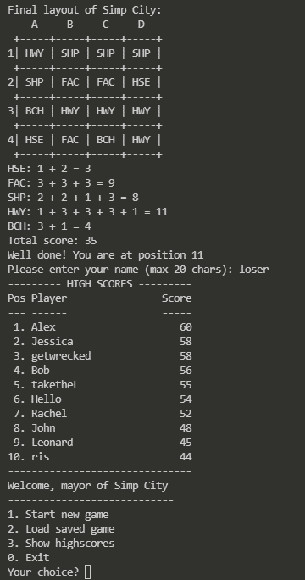 | Pass
3 | There is no game play instances of 10 rounds yet, no matter what the user will be able to add his or her name in the game | 1. The user has fninshed their 16th round of the game, the users final score attain has beat the record of one of the top 10 score recorded in the system 2. The final layout of the game grid is displayed, along with computed score of each building used. The total score that the user attain to total up and printed. e.g. Final layout of Simp City: A B C D +-----+-----+-----+-----+ 1| SHP | SHP | HSE | HWY | +-----+-----+-----+-----+-----+ 2| BCH | HSE | HSE | BCH | +-----+-----+-----+-----+-----+ 3| BCH | SHP | HSE | HSE | +-----+-----+-----+-----+-----+ 4| HWY | HWY | HWY | HWY | +-----+-----+-----+-----+-----+ HSE: 2 + 5 + 5 + 3 + 3 = 18 FAC: 0 SHP: 2 + 2 + 3 = 7 HWY: 1 + 4 + 4 + 4 + 4 = 17 BCH: 3 + 3 + 3 = 9 Total score: 51 3. The message "Congratulations! You made the high score board at position [x]! is printed and displayed to the users 4. The message "Please enter your name (max 20 chars): " is prompted to the users | 1. Your Choice? 1 2. Confirm using SHP? [Y/N]: y Building confirmed 3. Build where? a2 4. Confirm using BCH on location a2? [Y/N]: 5. Position confirmed 6. The user see the building name appear in the grid location the user have verified. 1. The user has fninshed their 16th round of the game, the users final score attain has beat the record of one of the top 10 score recorded in the system 2. The final layout of the game grid is displayed, along with computed score of each building used. The total score that the user attain to total up and printed. e.g. Final layout of Simp City: A B C D +-----+-----+-----+-----+ 1| SHP | SHP | HSE | HWY | +-----+-----+-----+-----+-----+ 2| BCH | HSE | HSE | BCH | +-----+-----+-----+-----+-----+ 3| BCH | SHP | HSE | HSE | +-----+-----+-----+-----+-----+ 4| HWY | HWY | HWY | HWY | +-----+-----+-----+-----+-----+ HSE: 2 + 5 + 5 + 3 + 3 = 18 FAC: 0 SHP: 2 + 2 + 3 = 7 HWY: 1 + 4 + 4 + 4 + 4 = 17 BCH: 3 + 3 + 3 = 9 Total score: 51 3. The message "Congratulations! You made the high score board at position [x]! is printed and displayed to the users 4. The message "Please enter your name (max 20 chars): " is prompted to the users After: The user high score board is displayed to the user, the user will be able to see the username that was entered previously in the high score board and the score attained based on the number of times the user has played the game | The user high score board is displayed to the user, the user will be able to see the username that was entered previously in the high score board and the score attained based on the number of times the user has played the game |  |  | Pass |  |  | Test Scenario Void Reason: Leaderboard will be preset
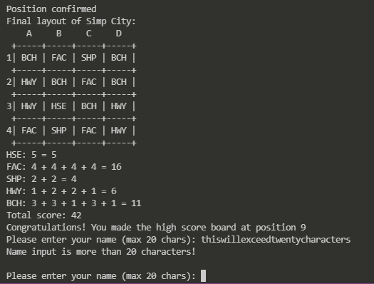
4 | The user enter their chacaracter of their name more than 20 characters | 1. The user has fninshed their 16th round of the game, the users final score attain has beat the record of one of the top 10 score recorded in the system 2. The final layout of the game grid is displayed, along with computed score of each building used. The total score that the user attain to total up and printed. e.g. Final layout of Simp City: A B C D +-----+-----+-----+-----+ 1| SHP | SHP | HSE | HWY | +-----+-----+-----+-----+-----+ 2| BCH | HSE | HSE | BCH | +-----+-----+-----+-----+-----+ 3| BCH | SHP | HSE | HSE | +-----+-----+-----+-----+-----+ 4| HWY | HWY | HWY | HWY | +-----+-----+-----+-----+-----+ HSE: 2 + 5 + 5 + 3 + 3 = 18 FAC: 0 SHP: 2 + 2 + 3 = 7 HWY: 1 + 4 + 4 + 4 + 4 = 17 BCH: 3 + 3 + 3 = 9 Total score: 51 3. The message "Congratulations! You made the high score board at position [x]! is printed and displayed to the users 4. The message "Please enter your name (max 20 chars): " is prompted to the users | 1. The user has fninshed their 16th round of the game, the users final score attain has beat the record of one of the top 10 score recorded in the system 2. The final layout of the game grid is displayed, along with computed score of each building used. The total score that the user attain to total up and printed. e.g. Final layout of Simp City: A B C D +-----+-----+-----+-----+ 1| SHP | SHP | HSE | HWY | +-----+-----+-----+-----+-----+ 2| BCH | HSE | HSE | BCH | +-----+-----+-----+-----+-----+ 3| BCH | SHP | HSE | HSE | +-----+-----+-----+-----+-----+ 4| HWY | HWY | HWY | HWY | +-----+-----+-----+-----+-----+ HSE: 2 + 5 + 5 + 3 + 3 = 18 FAC: 0 SHP: 2 + 2 + 3 = 7 HWY: 1 + 4 + 4 + 4 + 4 = 17 BCH: 3 + 3 + 3 = 9 Total score: 51 3. The message "Congratulations! You made the high score board at position [x]! is printed and displayed to the users 4. The message "Please enter your name (max 20 chars): " is prompted to the users e.g. Please enter your name (max 20 chars): DevOpsIsAnInsaneModule | An error message will be displayed to notify and remind the users that was an invalid input as the user has entered more than 20 characers. The message "Please enter your name (max 20 chars): " will be prompted again. | Equivalence |  | Fail |  | Pass

